Sheet1
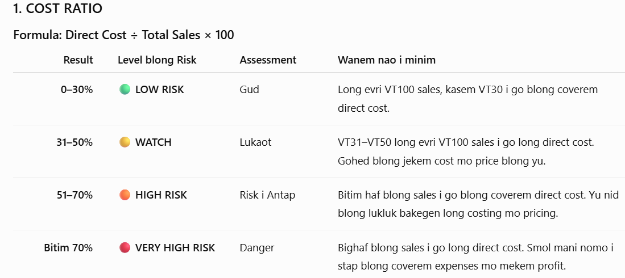
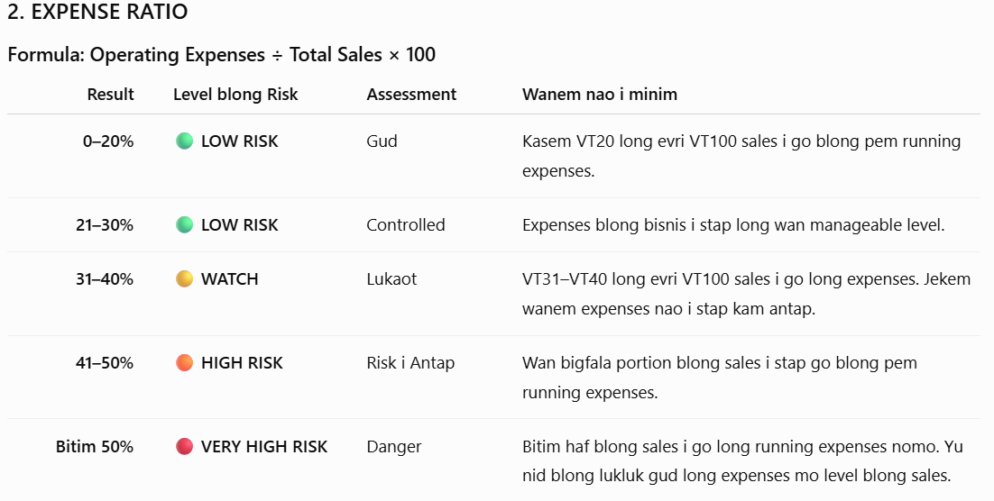
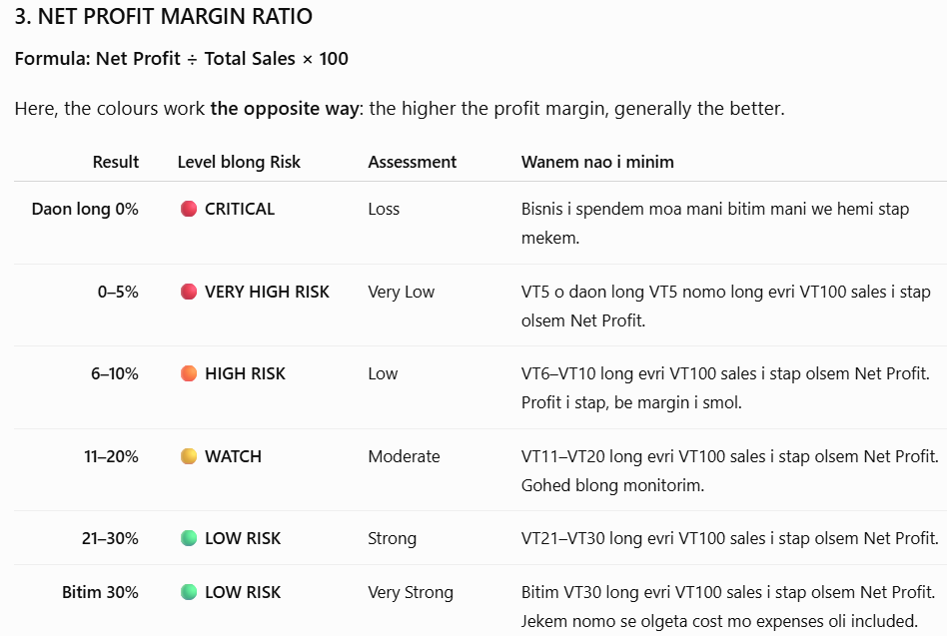
Business Expense Ratio
Instruction: | BUSINESS EXPENSE RATIO
Putum amaon long Total sales, Total Direct cost mo Total blong Operations Cost.
Evri nara calculation bae automated. Ridim Guide daon blong mekem assessment!
 |  |  |  | %
 | TOTAL SALES | 200,000 | Cost Ratio | 60
 | TOTAL Cost of Sales (Direct Cost) | 120,000 | Expense Ratio | 25
 | Gross Profit | 80,000 | Net Profit Ratio | 15
 | TOTAL OPERATIONS COST | 50,000 | Total | 100
 | NET PROFIT | 30,000
FREE NARARA RATIO CHECK
Save gud se mani blong bisnis blong yu i stap go wea
Taem bisnis blong yu i mekem sales, i no minim se olgeta mani ia hemi profit.
Sam i go blong pem cost blong product o service, sam i go blong pem expenses blong ranem bisnis, mo wanem we i stap afta long olgeta cost mo expenses, hemia nao Net Profit.
Ol 3 ratio ia bae oli helpem yu blong luksave gud moa long mani blong bisnis blong yu.

